1.Pipeline Func& Why Grid CV
∎ 2.PIPELINE + GRID SEARCH CV | REFERENCE

⇰What is Pipeline in Machine Learning ?
❶The term Pipelining refers to a technique of decomposing a sequential process into sub-operations, with each sub-operation being executed in a dedicated segment that operates concurrently with all other segments.The most important characteristic of a pipeline technique is that several computations can be in progress in distinct segments at the same time. The overlapping of computation is made possible by associating a register with each segment in the pipeline. The registers provide isolation between each segment so that each can operate on distinct data simultaneously. | ⇰REFERENCE (Website)-->Scikit Learn Regarding Thereotical & Conceptual Implementation of Pipeline Function + Grid Search CV

❷Using Pipeline Function for running Single Operation (Sub Operation --> 1. Feature Scaling) + (Sub Operation -->2.SVR (Support Vector Classification)

①In This Case We will Use Pipeline Function For simultaneously running FEATURE SCALING (STANDARD SCALING) & K NEIGHBOUR in (single operation mode) parallel mode so I don't need to Follow sequence (Like 1st Feature caling & Then 2nd K Neighbour ML Model) After that I can feed them the raw unskilled data that is X train X test & it will automatically performed Feature scaling & use the resultant in Kneighbour model (Model Creation). | ⇰REFERENCE (Website)-->Scikit Learn Regarding Thereotical & Conceptual Implementation of Pipeline Function & Composite Estimators

∎PIPELINE FUNCTION (ACCORDING TO SCIKIT LEARN)

▣Pipeline of transforms with a final estimator. ▣The purpose of the pipeline is to assemble several steps that can be cross-validated together while setting different parameters. For this, it enables setting parameters of the various steps using their names and the parameter name separated by a '__', as in the example below. | ⇰REFERENCE (Website)-->Scikit Learn Regarding Thereotical & Conceptual Implementation of Pipeline Function + Grid Search CV

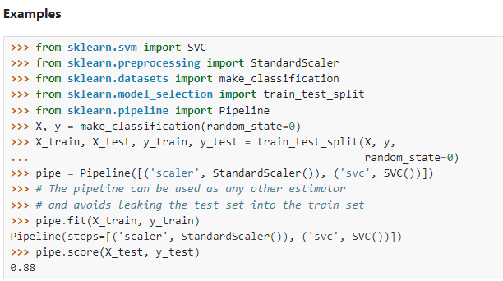

 | ⇰REFERENCE (Website)-->Stackoverflow Regarding Thereotical & Practical Implementation of Invalid parameter for sklearn 'estimator pipeline'

∎Pipeline Function is more broader in spectrum than Grid Search CV
 | ⇰REFERENCE (Website)-->Stackoverflow Regarding Thereotical & Practical Implementation of Invalid parameter for sklearn 'estimator pipeline'

▣Just Like in Grid Search CV Where combination of Hyper parameter is created in order to find best optimal hyper parameter in same way Different Function is Compiled (Like Scaling , SVM , Logistic Regression) & hyper parameter from different function is clubbed or consolidate & run in single step instead of running one after another in different coding cell So basically it truncate all different coding one after another into single cell in order to save time & YES IT MAKE OUR CODING MORE ELEGANT YOU CAN SEE KRISHNA NAIK VIDEO ON PIPELINE & COLAB ON PIPELINE.

 | ⇰REFERENCE (You Tube)-->Krishna Naik Regarding Thereotical & Practical Implementation of Various Model Creation for Pipeline Function | ⇰REFERENCE (You Tube->2)-->Krishna Naik Regarding Thereotical & Practical Implementation of Multi Model Creation for Pipeline Function

∎If we want to understand the complexity of Pipeline Function There is no better You tube Videos than Krishna Naik

∎Why do we perform Grid Search CV?

⇰Grid search refers to a technique used to identify the all optimal hyperparameters & then clubbed & consolidate them under the instance name param_grid & then run this instance in grid model.Unlike parameters, finding hyperparameters in training data is unattainable. As such, to find the right hyperparameters , as well as different hyper parameter we create a model for each combination of hyperparameters. | ⇰REFERENCE (Excel Sheet)-->2.5(ii) Cross Validation Regarding Thereotical & Practical Implementation of Grid Search CV

▣param_grid-->Scikit Learn includes a grid search CV class call, which is capable of testing a dictionary of user defined hyper parameter options through cross validation.This allows for both cross validation (CV) & the grid search to be performed in a generalized way for any model.



▣CONSTRUCTION OF PIPELINE FUNCTION

▣Note: If your parameter grid is going inside a PipeLine, your parameter name needs to be specified in the following manner: ⇰chosen_string_name + two underscores + parameter key name ⇰ model_name + __ + parameter name ⇰ knn_model + __ + n_neighbors ⇰ knn_model__n_neighbors | ⇰REFERENCE (Website)-->Stackoverflow Regarding Thereotical & Practical Implementation of Invalid parameter for sklearn 'estimator pipeline'

▣The Pipeline is built using a list of (key, value) pairs, where the key is a string containing the name you want to give this step and value is an estimator object:

 | ⇰REFERENCE (Website)-->Scikit Learn Regarding Thereotical & Conceptual Implementation of Pipeline Function & Composite Estimators

 | ⇰REFERENCE (Website)-->Scikit Learn Regarding Thereotical & Conceptual Implementation of Pipeline Function + Grid Search CV

▣The utility function make_pipeline is a shorthand for constructing pipelines; it takes a variable number of estimators and returns a pipeline, filling in the names automatically:

 | ⇰REFERENCE (Website)-->Scikit Learn Regarding Thereotical & Conceptual Implementation of Pipeline Function & Composite Estimators

2.Hyper Param of Pipeline Fun
▣HYPER PARAMETER FOR PIPELINE FUNCTION | REFERENCE

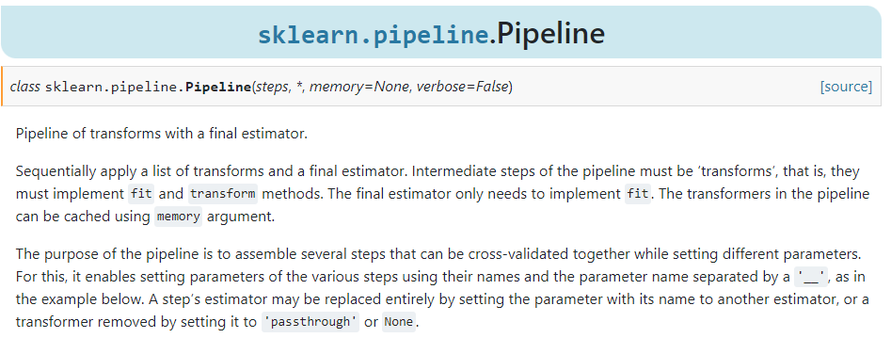 | ⇰REFERENCE (Website)-->Scikit Learn Regarding Thereotical & Conceptual Implementation of Pipeline Function + Grid Search CV

⇰steps:list of tuple ❶List of (name, transform) tuples (implementing fit/transform) that are chained in sequential order. The last transform must be an estimator. ❷Basically in this case we want to conduct 2 sub operation That is 1st Sub operation -->Feature Scaling & 2nd Sub operation--> SVC (Support Vector Classifiers) Simultaneously or Concurrently at Same time But Question arises how we supposed to relate param in param_grid of Grid Search CV of one Sub operation Like Epsilon , Gamma & Kernel Param of Support Vector Classifiers (SVC) Correspond or Relate to 2nd Suboperation (SVC) Not with 1st Suboperation -->Feature Scaling. | ⇰REFERENCE (Website)-->Scikit Learn Regarding Thereotical & Conceptual Implementation of Pipeline Function & Composite Estimators

⇰verbose:bool or int, default=False ❶Amount of verbosity ❷Verbosity level is related just to logging. In unit tests you find it for the logging of the information. ❸These levels decide the amount of information you will get. For example setting the level to ERROR for running unit tests will display only the cases for which the unit tests failed. Setting it to DEBUG will give you more (the most in fact) info such as what were the values of the variables (in assert statements etc).It is more useful in cases where your program has different levels of logging and you want your users to see different levels of info. For eg. usually you don't want the users to see details of internals, apart from fatal errors. So users will be running the program in FATAL or CRITICAL mode. But when some error occurs you will need such details. ❹The verbosity level: if non zero, progress messages are printed. Above 50, the output is sent to stdout. The frequency of the messages increases with the verbosity level. If it more than 10, all iterations are reported. ❻By setting verbose 0, 1 or 2 you just say how do you want to 'see' the training progress for each epoch. | ⇰REFERENCE (Website)-->Stackoverflow Regarding Conceptual & Thereotical Info ('What is verbosity level exactly in python?') (difference between each level)

 | ⇰REFERENCE (Website)-->1.10 (i)(Google Colab) Pipeline Function Regarding Thereotical & Practical Implementation of Pipeline function For SVC (Support Vector Classifiers' Param Grid)

 | ⇰REFERENCE (Website)-->1.10 (i)Google Colab Pipeline Function Regarding Thereotical & Practical Implementation of Pipeline function + Grid Search CV

4.Methods of Pipeline Fun
METHODS FOR PIPELINE FUNCTION |  | REFERENCE

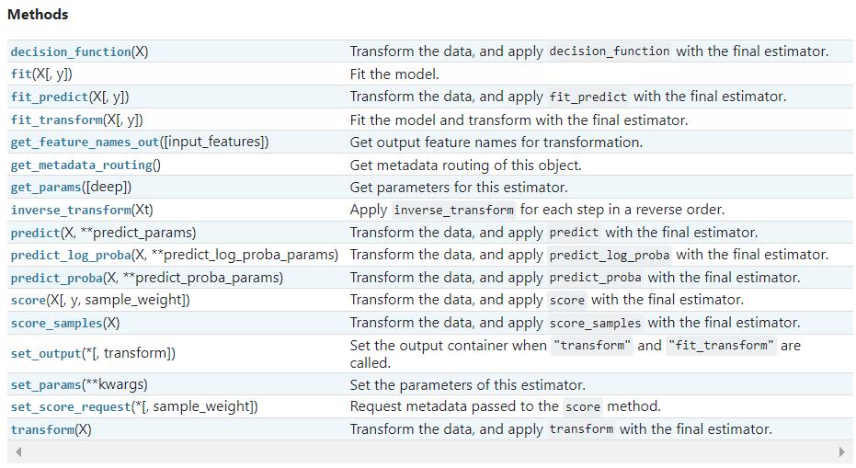 |  | ⇰REFERENCE (Website)-->Scikit Learn Regarding Thereotical & Practical Understanding of Various Methods of Pipeline Function

 |  | ⇰REFERENCE (Website)-->Scikit Learn Regarding Thereotical & Conceptual Implementation of Pipeline Function & Composite Estimators

⇰fit(X, y, sample_weight=None) ❶Run fit with all sets of parameters (Fitting Pipeline Model according to Given Training Data)

 |  | ⇰REFERENCE (Website)-->1.10(i) Google Colab (Pipeline Function (SVC + Grid Search CV) Regarding Practical Implementation of (Fit_Methods) of Pipeline Function

⇰predict(X) ❶Transform the data, and apply predict with the final estimator. ❶ Call predict on the estimator (Basically model) with the best found parameters which is Selected By Grid Search CV. Only available if refit=True and the underlying estimator supports predict.

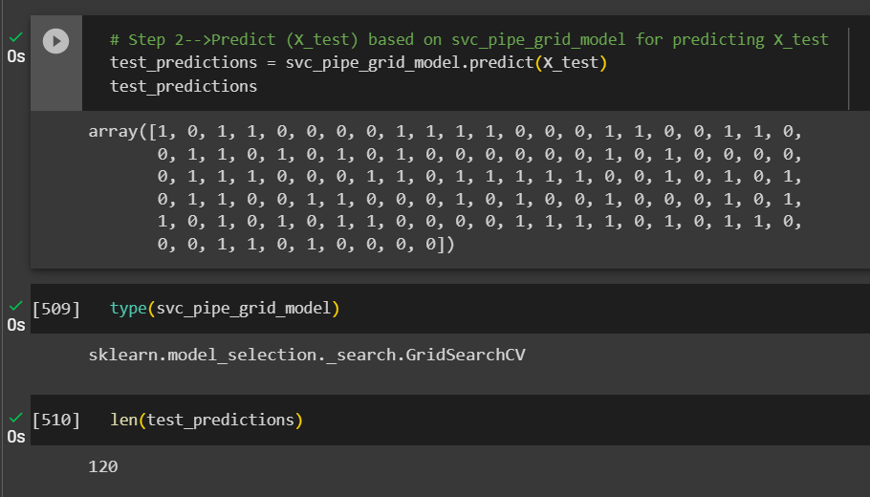 |  | ⇰REFERENCE (Website)-->1.10(i) Google Colab (Pipeline Function (SVC + Grid Search CV) Regarding Practical Implementation of (Predict_Methods) of Pipeline Function

⇰predict_log_proba(X) ❶Predict logarithm of probability estimates.The returned estimates for all classes are ordered by the label of classes.
 |  | ⇰REFERENCE (Website)-->Scikit Learn Regarding Thereotical & Conceptual Implementation of Pipeline Function & Composite Estimators

❷ Basically in Other word All the Probability Estimates in the form of p .. probability lie in (Between 0 & 1) will be converted into logarithm scale value by this formula as we had done in Copy Or in Practicals . Pl see Given Figure (Fig in 1.7 (Excel) Thereotical Logistic Regression )

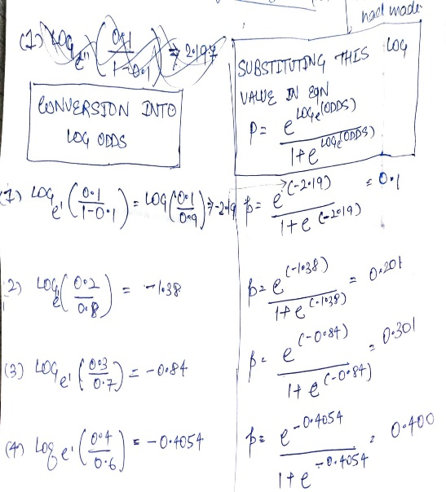

 |  | ⇰REFERENCE (Website)-->1.10(i) Google Colab (Pipeline Function (SVC + Grid Search CV) Regarding Practical Implementation of (Predict_log_proba)=> (Methods) of Pipeline Function

⇰predict_proba(X) & Prediction of New Unknown Data ❶Probability estimates:-The returned estimates for all classes are ordered by the label of classes. ❷Compute probabilities of possible outcomes for samples in X. ❸Classification algorithms usually also offer a way to quantify certainty of a prediction, either using Classification Category in the form of 0 Or 1.Basically Prediction in terms of it's probability ranges in between value 0 & 1 at 0th index. |  | ⇰REFERENCE (Website)-->Scikit Learn Regarding Thereotical & Conceptual Implementation of Pipeline Function & Composite Estimators

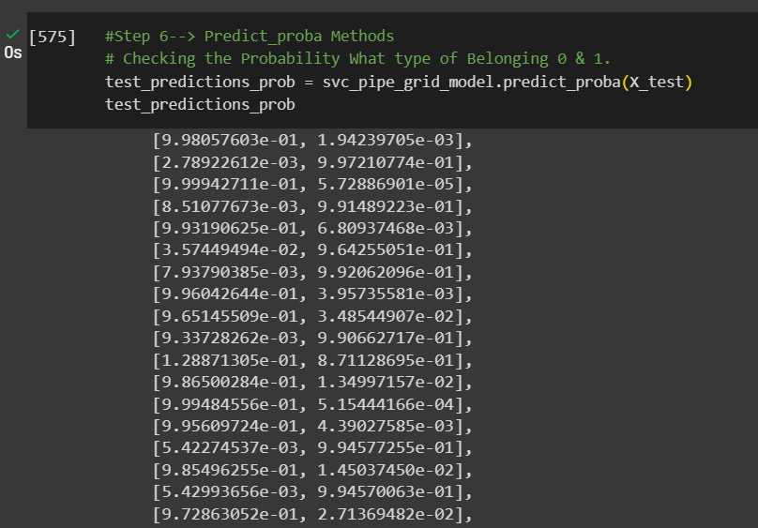 |  | ⇰REFERENCE (Website)-->1.10(i) Google Colab (Pipeline Function (SVC + Grid Search CV) Regarding Practical Implementation of (Predict_proba)=> Methods of Pipeline Function

⇰get_params(deep=True) ❶Get parameters for this estimator. ❷deep:bool, default=True ,If True, will return the parameters for this estimator and contained sub objects that are estimators. Parameter names mapped to their values in dict format . ❸ In 2nd Instance we had seen that we Create get_params by using calling keys & display result in in List Format . ❹Basically in Simple words this param_grid parameter allows you to pass the grid of parameters you are searching. This grid must be formatted as a dictionary with the key corresponding to the specific estimator’s parameter names, and the values corresponding to a list of values to pass for the specific parameters.

 |  | ⇰REFERENCE (Website)-->Scikit Learn Regarding Thereotical & Conceptual Implementation of Pipeline Function & Composite Estimators

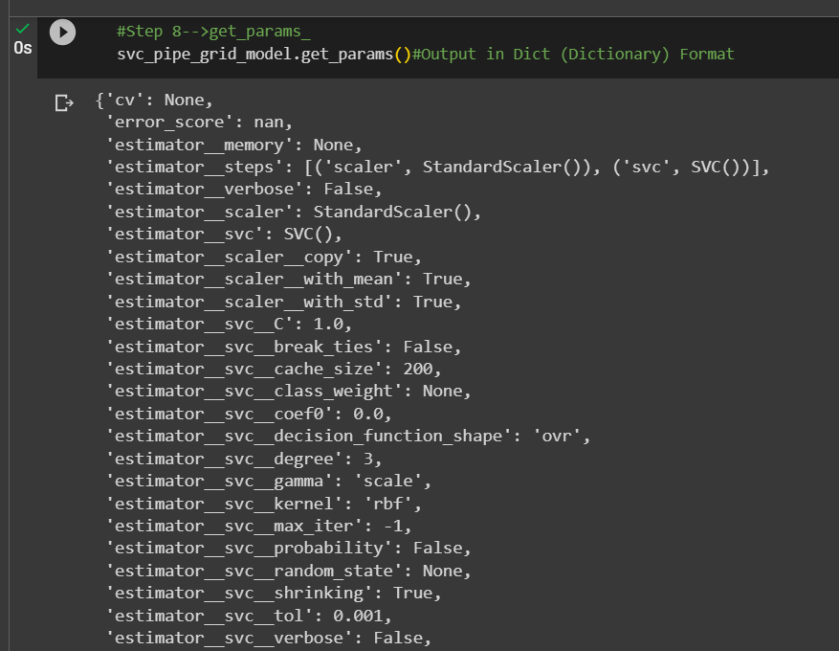 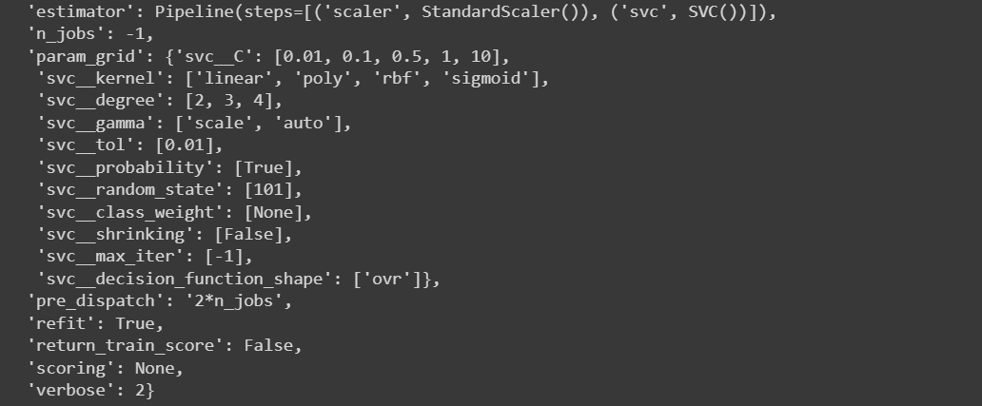 |  | ⇰REFERENCE (Website)-->1.10(i) Google Colab (Pipeline Function (SVC + Grid Search CV) Regarding Practical Implementation of (get_param) in (dict Format)=> Methods of Pipeline Function

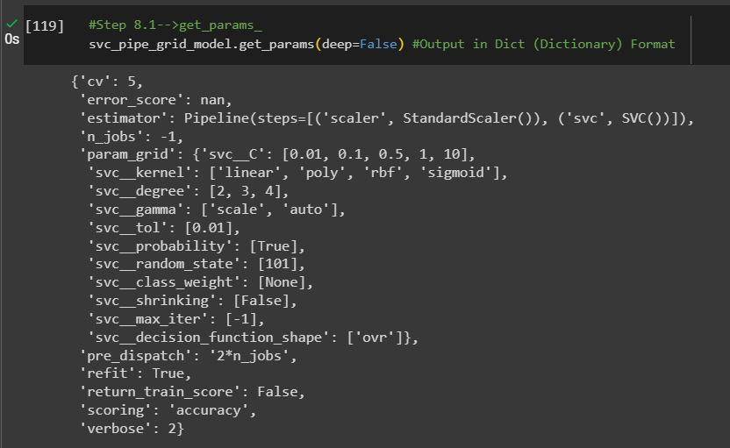 |  | ⇰REFERENCE (Website)-->1.10(i) Google Colab (Pipeline Function (SVC + Grid Search CV) Regarding Practical Implementation of (get_param) in (dict Format)=> Methods of Pipeline Function

 |  | ⇰REFERENCE (Website)-->1.10(i) Google Colab (Pipeline Function (SVC + Grid Search CV) Regarding Practical Implementation of (get_param) in ( Key Format)=> Methods of Pipeline Function

⇰set_params(params) ❶Set the parameters of this estimator . ❷In simple words set_params (Setting or Readjusting any Hyper Parameter again with New Param) ,We can Perform Readjustment or Reconfiguration of any Hyper Parameter for Given Model & then Re-run the Model.

 |  | ⇰REFERENCE (Website)-->Scikit Learn Regarding Thereotical & Conceptual Implementation of Pipeline Function & Composite Estimators

❸Basically in upcoming Example We can see changes in set_params (n_jobs=>-1) to (n_jobs=>1) & (verbose=>2) to (verbose=>1) If we do comparison against Previous model.get_params() we can see those changes.

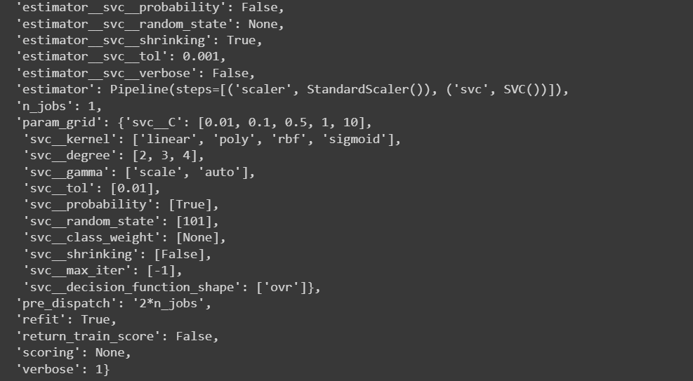 |  | ⇰REFERENCE (Website)-->1.10(i) Google Colab (Pipeline Function (SVC + Grid Search CV) Regarding Practical Implementation of (set_param)=> Methods of Pipeline Function

 |  | ⇰REFERENCE (Website)-->1.10(i) Google Colab (Pipeline Function (SVC) With Grid Search CV Regarding Practical Implementation (set_params) in keys format (Methods of Pipeline Function (SVC + Pipeline Function))

»get_scorer_names ⇰sklearn.metrics.get_scorer_names()

❶Get the names of all available scorers.These names can be passed to get_scorer to retrieve the scorer object.. ❷get_scorer_names is typically a method or function found in machine learning libraries, particularly ones like scikit-learn, where it provides a list of available scoring metrics that can be used to evaluate the performance of a model.When you’re optimizing a model, you might want to compare different metrics or choose a specific metric to focus on. Using get_scorer_names ensures you know all the valid metrics available in the library. | 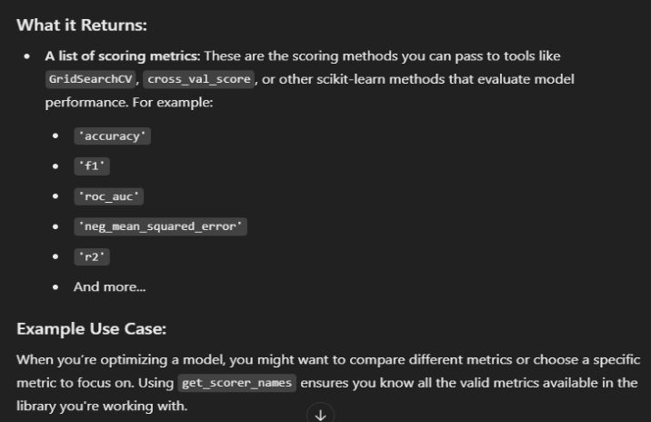
 |  | ⇰REFERENCE (Website)-->Scikitlearn Regarding Conceptual Understanding of Various Methods⇒ get_scorer_names

 |  | ⇰REFERENCE (Website)-->Scikit Learn Regarding Thereotical & Practical Understanding of Various Methods of Pipeline Function



 |  | ⇰REFERENCE (Website)-->1.10(i) Google Colab Pipeline Function With Grid Search CV Regarding Practical Implementation of Imperative Methods of get_scorer_names

»make_scorer ⇰sklearn.metrics.make_scorer(score_func, *, response_method=None, greater_is_better=True, needs_proba='deprecated', needs_threshold='deprecated', **kwargs)[source]

❶Return the mean accuracy on the given test data and labels. ❷make_scorer⇒ is a utility function in scikit-learn that allows you to turn a custom evaluation metric (A Python function) into a scorer object that can be used for model evaluation, hyperparameter tuning, and cross-validation. It essentially wraps your function into a form that the scikit-learn ecosystem understands.Return the mean accuracy on the given test data & labels. ❸Scorer Metric is used for the purpose for finding what kind of evaluation Criteria is used in Given Data set for the purpose of Finding Out the Error & In this case it is 'accuracy' in AdaBoosting Classifiers. ❹Basically in upcoming example Performance Eval Metric => 'Accuracy' means Correct Prediction=>1.00=>100% & (Remaining Incorrect Prediction (Error) =>0.0=>0%) . | 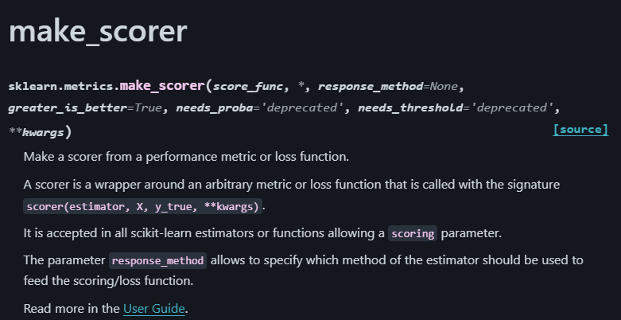 | ⇰REFERENCE (Website)-->Scikitlearn Regarding Conceptual Understanding of Various Methods For make_scorer

 |  | ⇰REFERENCE (Website)-->Scikit Learn Regarding Metric Scoring Or Various Types of Metric Scoring

 |  | ⇰REFERENCE (Website)-->Scikit Learn Regarding Thereotical & Practical Understanding of Various Methods of Pipeline Function

 | 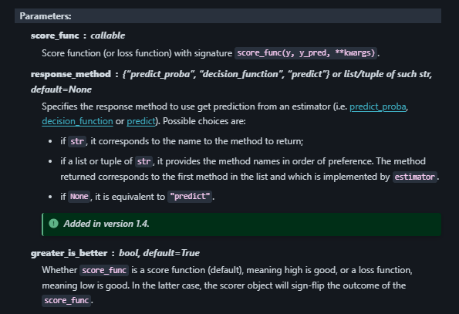
»Example 1: Custom Scorer for Precision |  | ⇰REFERENCE (Website)-->Scikit Learn Regarding Thereotical & Conceptual Implementation of Pipeline Function & Composite Estimators
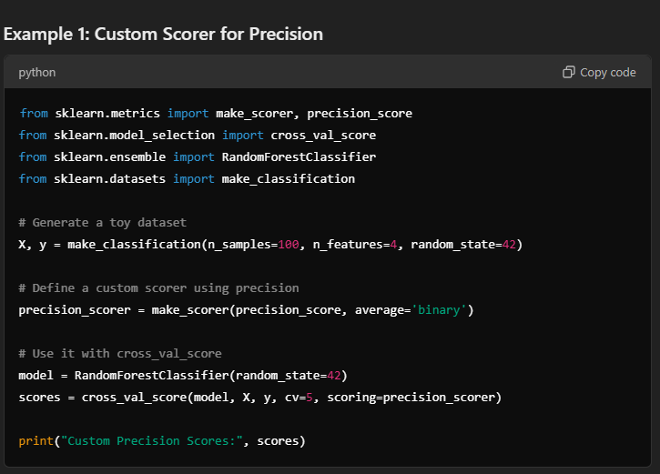

 | 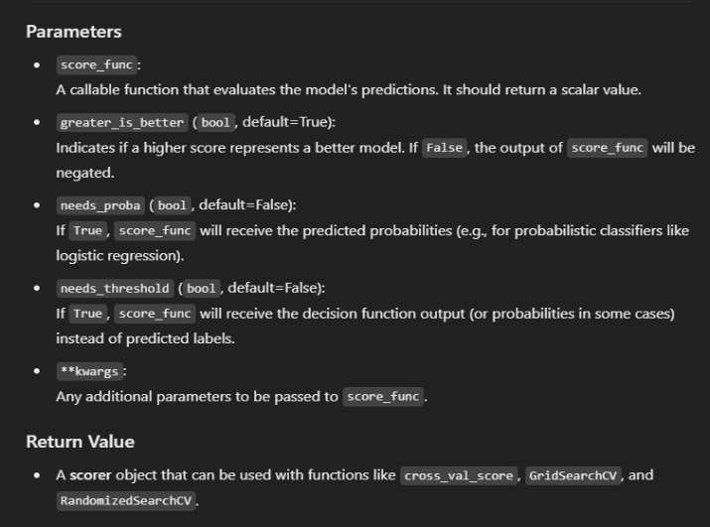
»Example 2: Using Custom Function for scoring
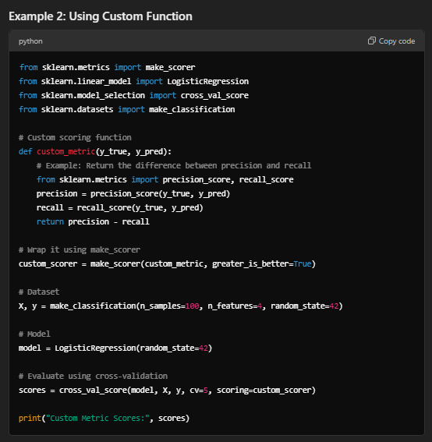

⇒score.response_method('decision_function') OR ('predict_proba') for classification Dataset ❶Specifies how to obtain predictions from the model. ❷By default, response_method='predict' is used for regression models. It calls the predict method of the estimator. ❸(Decision_Function)⇒ method basically returns a Numpy array, In which each element represents whether a predicted sample for x_test by the classifier lies to the right or left side of the Hyperplane & also how far from the HyperPlane. ❹ (predictproba)⇒Classification algorithms usually also offer a way to quantify certainty of a prediction, either using Classification Category in the form of 0 Or 1.Basically Prediction in terms of it's probability ranges in between value 0 & 1 at 0th index. |  | ⇰REFERENCE (Website)-->Scikitlearn Regarding Glossary of Common Terms make_scorer.response_method (decision_function) | ⇰REFERENCE (Website)-->Scikitlearn Regarding Glossary of Common Terms make_scorer.response_method (predict_proba)

 |  |  | ⇰REFERENCE (Website)-->Scikit Learn Regarding Metric Scoring Or Various Types of Metric Scoring
 |  | ⇰REFERENCE (Website)-->Scikitlearn Regarding Conceptual Understanding of Various Methods For make_scorer

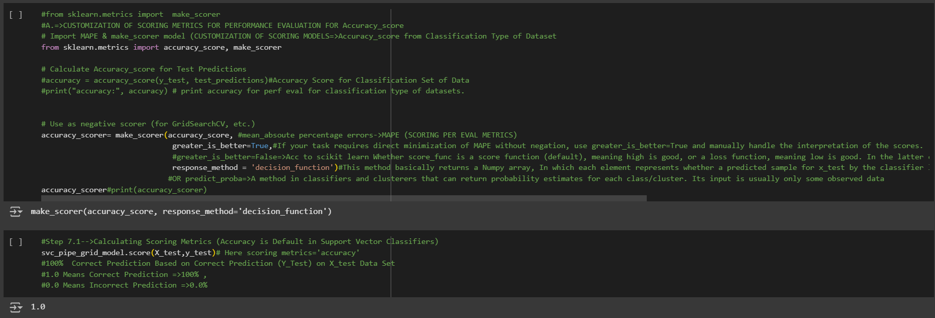

 |  | ⇰REFERENCE (Website)-->1.10(i) Google Colab Pipeline Function With Grid Search CV Regarding Practical Implementation of Imperative Methods of make_scorer

5.TRAIN|TEST|SPLIT
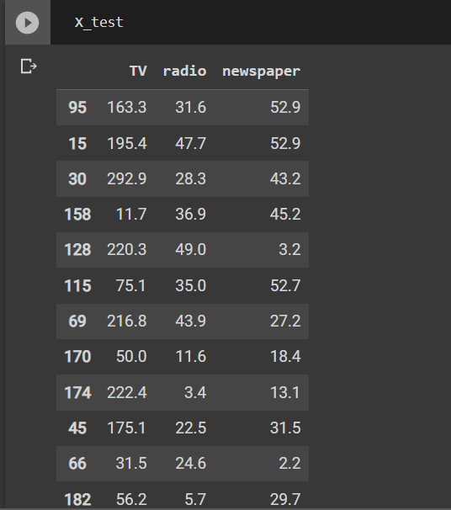
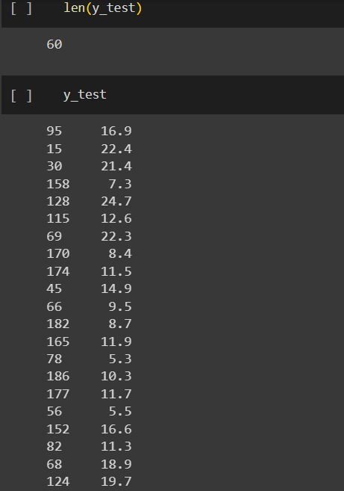
TRAIN | TEST | SPLIT

⇰REFERENCE (WEBSITE)-->Udemy Regarding Train_Test_Split
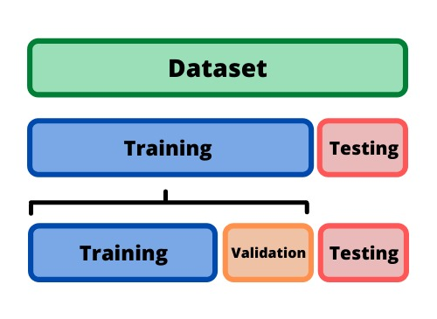 ⇰DEFINITION OF TRAIN-TEST-SPLIT →To fairly evaluate my model's performance, I don't want to evaluate it on the same data it was trained at. First we separates out the features and then it separates out the labels Further we'll separate out a training set and a test set Which Further Subdivide into 4 Components --> X train and Y train and then X test and y test the weights.

PARAMETERS FOR TRAIN | TEST | SPLIT | REFERENCE

⇰X_train→X_train Contains the Values of The Features (X1(Newspaper) ,X2(Radio) , X3(Television) This includes your all independent variables,these will be used to train the model, also as we have specified the test_size = 0.4, this means 60% of observations from your complete data will be used to train/fit the model and rest 40% will be used to test the model. | ⇰REFERENCE (Website)--> Stackoverflow Regarding TRAIN-TEST-SPLIT

⇰X_test→This is remaining 40% portion of the independent variables [Features(X1(Newspaper) ,X2(Radio) , X3(Television)] from the data which will not be used in the training phase and will be used to make predictions to test the accuracy of the model.
 | ⇰REFERENCE (Website)-> Stackoverflow Regarding TRAIN-TEST-SPLIT

⇰y_train→This is your dependent variable which needs to be predicted by this model, this includes category labels against your independent variables (Output =Total Sales), we need to specify our dependent variable while training/fitting the model.

 | ⇰REFERENCE (Website)-->(1.2) Google Colab Linear Regression Regarding Practical Implementation (Coding) of TRAIN | TEST SPLIT
⇰y_test→This data has category labels (Dependent Variable) (Output = Total Sales) for your test data, these labels will be used to test the accuracy between actual and predicted categories.

⇰test_size→test_size is the number that defines the size of the test set. It's very similar to train_size . You should provide either train_size or test_size . If neither is given, then the default share of the dataset that will be used for testing is 0.25 , or 25 percent. Especially in This Case test_size is 0.3 or 30% of Total Data Size.
 | ⇰REFERENCE (Website)-> Scikit Learn Regarding TRAIN-TESTS-SPLIT

⇰Random_state →Random_state is used to set the seed for the random generator so that we can ensure that the results that we get can be reproduced. Because of the nature of splitting the data in train and test is randomised you would get different data assigned to the train and test data unless you can control for the random factor. ↔Example-->For example, imagine you have numbers: 1,2,3,4,5 and you want to select two random numbers. Without using a random_state you would get different things: i.e. first 2,5 then 3,4 and so on.When you control the random generator by setting the random state to 0, 1 or another number, everyone would get the same random numbers generated: i.e random_state=1 then the random numbers are 1,3 and everyone who will pick two random numbers using random_state=1 from 1,2,3,4,5 will get the same two numbers as you: 1,3. →The random state hyperparameter is used to control any such randomness involved in machine learning models to get consistent results. We can use cross-validation to mitigate the effect of randomness involved in machine learning models. →Reason For Random State Usage--> ❶. We need t
 | ⇰REFERENCE (Website)-> Real Python Regarding TRAIN-TESTS-SPLIT

 | ⇰REFERENCE (Website)--> Geeks For Geeks Regarding Practical Impelentation (Coding) of TRAIN | TEST SPLIT

 | ⇰REFERENCE (Website)-> Scikit Learn Regarding TRAIN-TESTS-SPLIT

 | ⇰REFERENCE (Website)-> Real Python Regarding TRAIN-TESTS-SPLIT

⇰Shuffle Split→shuffle is the Boolean object (True by default) that focus on whether to shuffle the dataset before applying the split. →Reason For Random State Usage--> ❶The other reason that we have a random state here is because what Sk learn is going to do when it calls train test split is it's actually going to shuffle the arrays first.So you'll notice here that it actually is calling a shuffle split.That's why main reason it's calling a shuffle split. ❷If we See almost any Data set We can tell that more or less my data appears to be in no sort of sorted order.But for other data sets, it's not uncommon that when you read it in, it's actually already sorted for you. What we don't want to do is if our data set is in some sort of order or sorted is grab the first 70% of the rows for the train set and then the last 30% for the test set. Instead, we want to make sure that we shuffle everything first and then grab the 70% and 30%.That way I don't have an accidentally ordered data set and the test set happens to be all the highest sales and the training set is the lowest 70% of sales. That could be really dangerous as far as fairly evaluating and training your model. So instead we just alleviate any issues of that by shuffling the data set first.

 | ⇰REFERENCE (Website)-->(1.2) Google Colab Linear Regression Regarding Practical Implementation (Coding) of TRAIN | TEST SPLIT

 | ⇰REFERENCE (Website)-->(1.3) Google Colab (Polynomial Regression) Regarding Practical Implementation (Coding) of TRAIN | TEST SPLIT

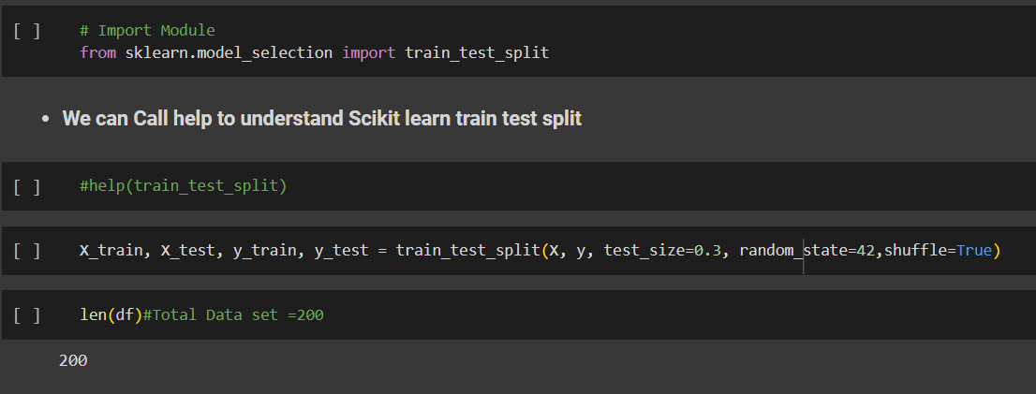 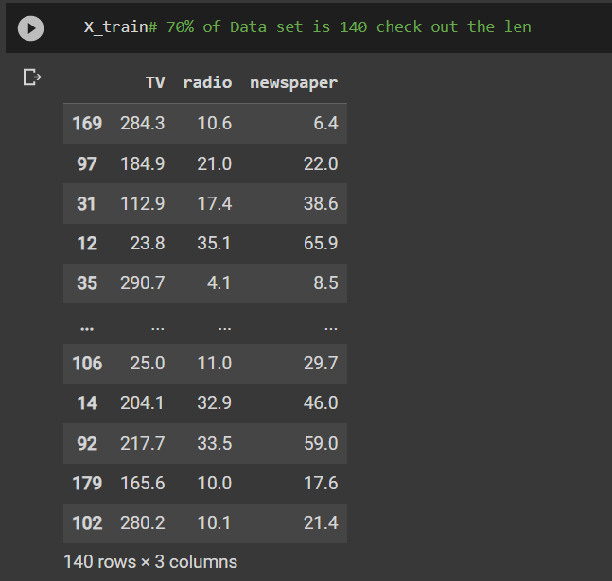 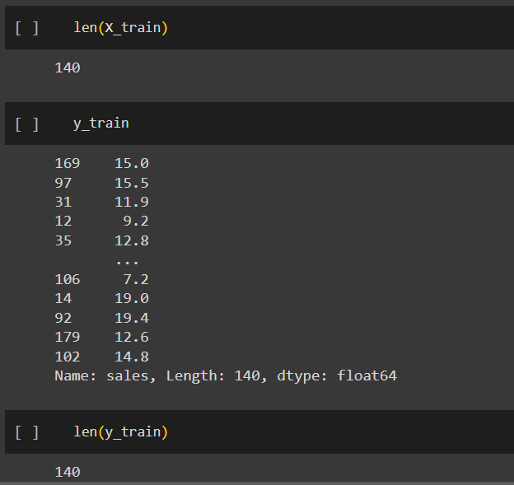 | ⇰REFERENCE (Website)-->(1.2) Google Colab Linear Regression Regarding Practical Implementation (Coding) of TRAIN | TEST SPLIT

 | ⇰REFERENCE (Website)-->(1.3) Google Colab (Polynomial Regression) Regarding Practical Implementation (Coding) of TRAIN | TEST SPLIT

6.FEATURE SCALING
2. (THEREOTICAL) FEATURE SCALING | REFERENCE

①What is Feature Scaling ? | ⇰REFERENCE (Website)-->Udemy Regarding Definition & Meaning & Definition as well as benefits of Feature Scaling
⇰Many machine learning algorithms perform better when numerical input variables are scaled to a standard range.This includes algorithms that use a weighted sum of the input, like linear regression, and algorithms that use distance measures, like k-nearest neighbors.

②What is Scale Invariance ? | ⇰REFERENCE (Website)-->Wikipedia Regarding Definition & Meaning of Scale Invariance
⇰In physics, mathematics and statistics, scale invariance is a feature of objects or laws that do not change if scales of length, energy, or other variables, are multiplied by a common factor, and thus represent a universality.

 | ⇰REFERENCE (You Tube)-->Feature Scale Importance For Gradient Descent By Priyanshu Vats
③Benefits of Feature Scaling ?
❶The most important benefit is that feature scaling improves the convergence of the steepest descent algorithms & what we mean by that are algorithms like gradient descent in trying to minimize the lost function.Those gradient descent algorithms do not possess the property of Scale Invariance.

 | ⇰REFERENCE (You Tube)-->Code Basics(Hindi) Regarding Overall Thereotical Definition & Practical Implementation (Coding) of Cost Function or Line of Best Fit

❷So what we mean by that is that if you have features that are on different scales and you're trying to use something like gradient descent to figure out the optimal coefficients, certain weights for those coefficients may update faster than others, since the feature values may play a role in those coefficient or weight updates.

❸Essentially what we mean is, if you can imagine gradient descent in multiple dimensions and you have some features on much different or much larger scales than others, then the weights that are being restricted to those really large scales are going to take longer to update than the scales for features that are much smaller & so what you want is that all the features are on roughly the same scale.
 | ⇰REFERENCE (You Tube) --> Krishna Naik Regarding Overall Implementation & Def & Why and When Should we Perform Feature Normalization?

❹That way, the gradient descent as far as the convergence of the optimal coefficients or weights can take around the same amount of time for each of those features.So that really is the critical benefit of feature scaling.
 | ⇰REFERENCE (Website)--> Scikit Learn Regarding Practical Implementation & Definition of Feature Scaling (Especially Standard Scaler)

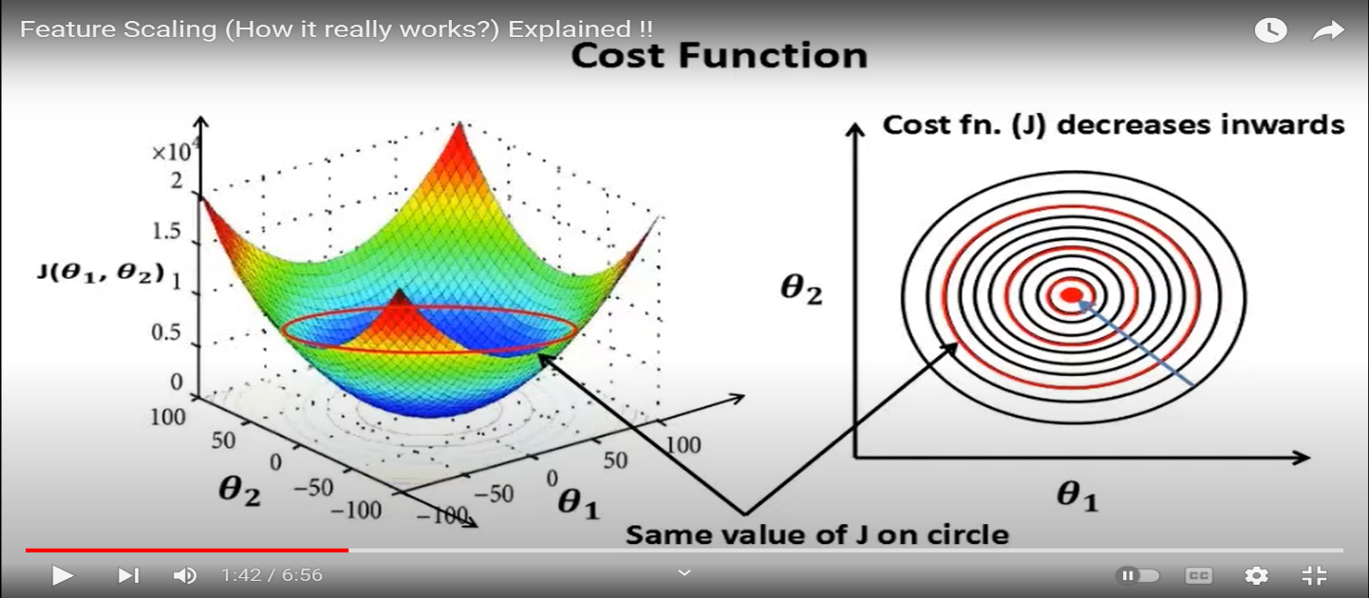

 | ⇰REFERENCE (Website)-->Udemy Regarding Definition & Meaning & Definition as well as benefits of Feature Scaling

 | ⇰REFERENCE (You Tube)-->Feature Scale Importance For Gradient Descent By Priyanshu Vats

 | ⇰REFERENCE (You Tube)-->Code Basics(Hindi) Regarding Overall Thereotical Definition & Practical Implementation (Coding) of Cost Function or Line of Best Fit

④Caveats (Warning) of Using Feature Scaling in Various Models ?

⇰Must Always Scale new Unseen data Before Feeding to Model. ⇰Effect Direct Interpretability of Feature Coefficients. ❶Easier to Compare coefficients to one another , harder to relate back to original unscaled feature

 | ⇰REFERENCE (Website)-->Geeks For Geeks Regarding ML | Feature Scaling – Part 2

B. TYPES OF FEATURE SCALING | REFERENCE

①STANDARDIZATION (Standard Scaler) Or Z score Normalization | ⇰REFERENCE (Website)--> Scikit Learn Regarding Practical Implementation & Definition of Feature Scaling (Especially Standard Scaler)
⇰Standardization Rescales data to have a mean that is mu of 0 and a standard deviation of 1, which means you're essentially standardizing all your data to follow a standard normal distribution so you could have negative values there. Name Sake Can be confusing since this also referred as Z score normalization ⇰Name Sake Can be confusing since this also referred as Z score normalization ⇰Standardization scales each input variable separately by subtracting the mean (called centering) and dividing by the standard deviation to shift the distribution to have a mean of zero and a standard deviation of one. ⇰In Simple Words Standardization Mean Rescaling Data to have mean (μ) of 0 & Standard Deviation (σ) of 1 Unit Variance) .

 | ⇰REFERENCE (Website)-->Udemy Regarding Definition & Meaning & Definition as well as benefits of Feature Scaling

 | ⇰REFERENCE (Website)-->Machine Learning Mastery Regarding Thereotical & Practical (Coding) Implementation Regarding Meaning & Understanding of 1st Types of Feature Scaling That is Standardization
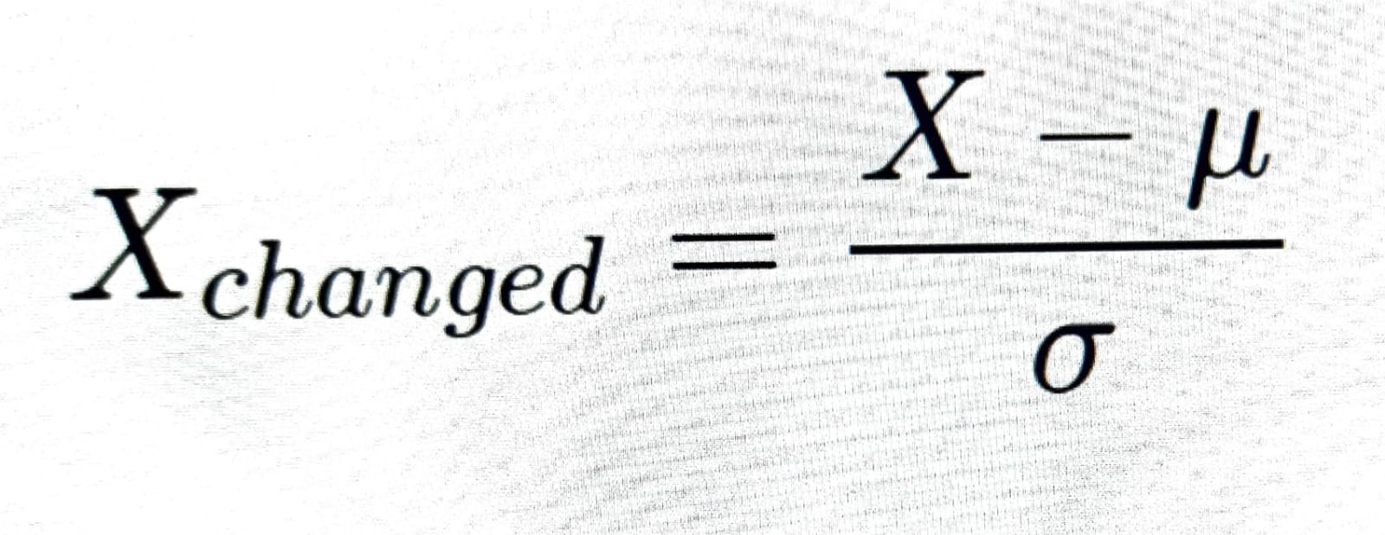

 | ⇰REFERENCE (You Tube)-->Feature Scale Importance For Gradient Descent By Priyanshu Vats

 | ⇰REFERENCE (You Tube)-->Code Basics(Hindi) Regarding Overall Thereotical Definition & Practical Implementation (Coding) of Cost Function or Line of Best Fit
❶PRACTICAL IMPLEMENTATION OF PLOTTING TYPES OF FEATURE SCALING (STANDARDIZATION) IN 1.3 POLYNOMIAL REGRESSION & FEATURE SCALING

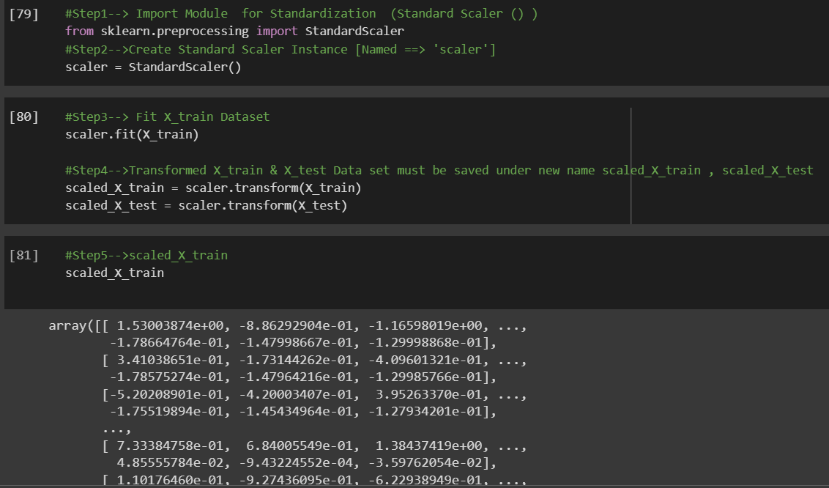

 | ⇰REFERENCE (Website) --> 1.3 Google Colab (Polynomial Regression & Feature Scaling) Regarding Practical Implementation & (Coding) 1st Types of Feature Scaling That is == (Standardization) Standard Scaling

 | ⇰REFERENCE (Website)-->Analytics Vidhya Regarding Meaning of Feature Scaling & Types of Feature scaling 1. Standardization 2.Normalization

 | ⇰REFERENCE (Website)-->Scikit Learn Regarding Practical Implementation & Definition of Feature Scaling (Especially Min-Max Scaler)

